Sheet1
Assignment - 1 | Insert two suppliers in suppliers table
Create Suppliers, Products and Orders Tables:
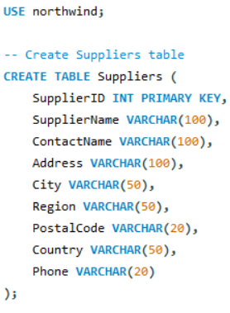

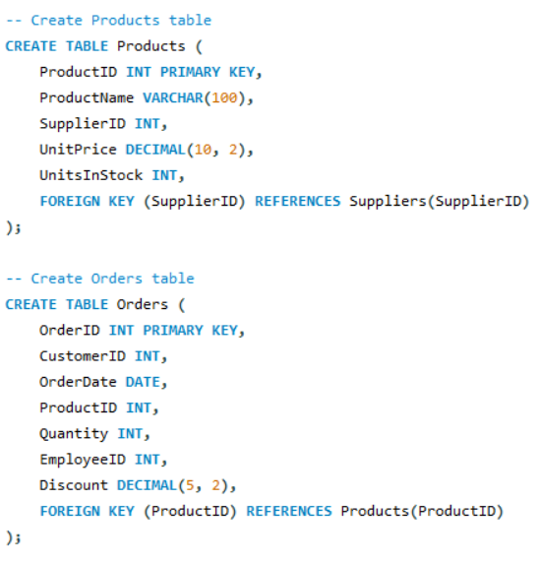

Query

Result

Assignment - 2 | Insert product in products table for specific suppliers

Query

Result

Assignment - 3 | Place orders for one supplier's products.

Query

Result

Assignment - 4 | Update employeeID of orders table for spcific supplier's one product

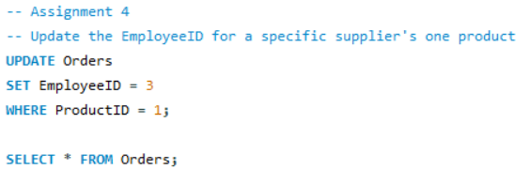

Query

Result

Assignment - 5 | Update discount in order for spcific supplier's one product who placed order in July, 1997

Query

Result

Assignment - 6 | Remove order and its details for spcific supplier's one product.

Query

Result

